OINV_AR Invoice_Item
Client Name |  | BPICT
Job Order |  | LAMP Integration
SAP Document |  | AR Invoice
LAMP Document |  | Billing Invoice
Object |  | 13
Direction |  | Inbound
Output Type |  | .xml
Filename Convention |  | SAP Company_DOC_SAPTable_ObjectCode_BaseReferenceNo_TransactionDate_Version.xml
Web API Link |  | N/A
Method |  | Add
Header Data |  | N/A

Header
Table |  | OINV
ID |  | OINV
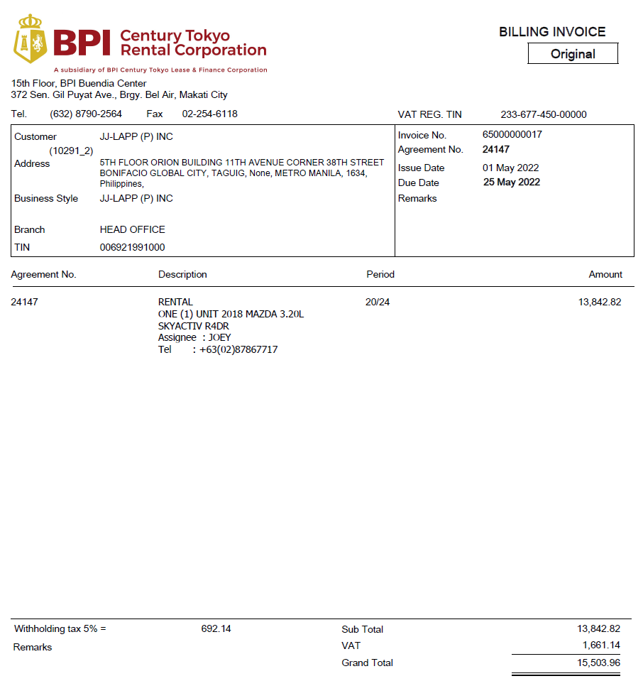
SAP Business One Target Data |  |  |  |  |  |  |  |  | LAMP Data
# | ID | Field | Description | Data Type | Length | Valid Values | Mandatory | Remarks | Field ID | Field Name | Description | Remarks
1 | DocType | DocType | Item Type | Alphanumeric | 1 | I | Yes | Fixed Value of "I" for Sale of Fixed Assets |  | "I" |  | Item Type- Sale of Equipment: RV, Selling Asset (Everything related with Equipment, RV, Selling Asset Only) Sample Service Type: Transfer Fees, Rental Services, Fleet Services, Liquidated Damages(All of other types)
2 | DocDate | DocDate | Posting Date | Date | 10 | YYYYMMDD | Yes | Issue Date |  | Billing Invoice.Issue Date
3 | DocDueDate | DocDueDate | Due Date | Date | 10 | YYYYMMDD | Yes | Due Date |  | Billing Invoice.Due Date
4 | TaxDate | TaxDate | Document Date | Date | 10 | YYYYMMDD | Yes | Issue Date |  | Billing Invoice.Issue Date
5 | CardCode | CardCode | Business Partner Code | Alphanumeric | 15 |  | Yes | Client Code |  | Billing Invoice. Customer Code
6 | CardName | CardName | Business Partner Name | Alphanumeric | 100 |  | Yes | Customer |  | Billing Invoice. Customer Name
8 | Numatcard | NumatCard | Customer Ref. No. | Alphanumeric | 100 |  | Yes | Invoice No. |  | Billing Invoice. Invoie No.
9 | JrnlMemo | JrnlMemo | Journal Remark | Alphanumeric | 254 |  | Yes | Agreement No. |  | Billing Invoice. Contract No.
10 | Comments | Comments | Remarks | Alphanumeric | 254 |  | Yes | Remarks |  | Billing Invoice. Remarks
11 | U_RefNum | U_RefNum | Customer Ref. No. | Alphanumeric | 10 |  | Yes | To easily recognize which Reference Number to be integrated Same field to Customer Reference Number |  | Billing Invoice. Invoie No.
12 | U_FileName | U_FileName | File Name Convention | Alphanumeric | 100 |  | Yes | File Name Convention |  | SAP Company_DOC_SAPTable_ObjectCode_BaseReferenceNo_TransactionDate_Version.xml |  | BPICTL:Company Short Name DOC:Fixed OINV:TABLE ID 13: ObjectID 36000005: Numatcard 20231201: Transaction Date 1:Version, if intergration error, resend by new version.

Line Details
Table |  | INV1
ID |  | INV1
SAP Business One Target Data |  |  |  |  |  |  |  |  | LAMP Data
# | ID | Field | Description | Data Type | Length | Valid Values | Mandatory | Remarks | Field | Field Name | Description | Remarks
1 | U_RefNum | U_RefNum | Customer Reference No. | Alphanumeric |  |  |  | To easily recognize which Reference Number to be integrated Same field to Customer Reference Number |  | Billing Invoice. Invoie No.
2 | U_BaseRef | U_BaseRef | Customer Reference No. | Alphanumeric |  |  |  | These fields should be included to xml file. These fields are mandatory only for ARCM. Please leave it blank or null |  | Blank
3 | U_BaseLine | U_BaseLine | Line ID | Integer |  |  |  |  |  | Blank
4 | U_BaseType | U_BaseType | Object Type |  |  |  |  |  |  | Blank
5 | LineNum | LineNum | Line ID | Integer | 10 |  | Yes | Transaction Line ID |  | 0
6 | ItemCode | ItemCode | Item Code | Alphanumeric | 50 |  | Yes | Item Code |  | Contract. SUPPLIES_NO |  | Item Code
7 | Dscription | Dscription | Description | Alphanumeric | 200 |  | No | Description (up to 200 Characters only) |  | Billing Invoice. Description(Max 200 Characters)
8 | U_LngDscrptn | U_LngDscrptn | Long Description | Text | 256,000 |  |  | Full Text of Description |  | Billing Invoice. Description(More than 200 Characters)
9 | U_Period | U_Period | Period | Alphanumeric | 10 |  |  | Period |  | Billing Invoice. Period
10 | DiscPrcnt | Discount Percent | Discount Percent | Numeric | 19 |  | No | Discount Percent. If there is no discount percent, xml format would be <DiscPrcnt>0.00</DiscPrcnt> |  | 0.00 |  | No need for BPITC, so set as 0.
11 | Quantity | Quantity | Quantity | Numeric | 19 |  |  |  |  | Contract. SUPPLIE.Quantity(set as 1 if no value)
12 | Price | Price | Unit Price |  |  |  |  |  |  | Billing Invoice. Sub Total |  | Amount without VAT in Invoice file.
13 | PriceAfVAT | PriceAfVAT | Gross Price after Discount | Alphanumeric | 40 |  | Yes | Amount (Inclusive of Vat but exclusive of CWT) |  | Billing Invoice. Grand Total |  | Amount include VAT
14 | VatGroup | VATGroup | VAT Group | Alphanumeric | 4 |  | Yes | Vat Group (check if existing in LAMP) |  | If has VAT: Item: VOT Service:VOS If no VAT:VOZ If have any other case to use different VAT group, BPITC will contact ISID.
15 | WtLiable | Wtax Liable | Witholding Tax Liable | Alphanumeric | 3 | Y/N | Yes | Witholding Tax Liable |  | Y for WHT > 0, N for WHT = 0.
16 | OcrCode | OcrCode | Department | Alphanumeric | 8 |  | Yes | Department |  | Refer current Lamp's GL's logic.
17 | OcrCode2 | OcrCode2 | Teams - Client Clusters | Alphanumeric | 8 |  | Yes | Teams - Client Clusters |  | Refer current Lamp's GL's logic.
18 | OcrCode3 | OcrCode3 | Product | Alphanumeric | 8 |  | Yes | Product |  | Refer current Lamp's GL's logic.
19 | OcrCode4 | OcrCode4 | Equipment Type | Alphanumeric | 8 |  | Yes | Equipment Type |  | Refer current Lamp's GL's logic.
20 | OcrCode5 | OcrCode5 | Industry-Based Class | Alphanumeric | 8 |  | Yes | Industry-Based Class |  | Refer current Lamp's GL's logic.

Witholding Tax Details
Table |  | INV5
ID |  | INV5
SAP Business One Target Data |  |  |  |  |  |  |  |  | LAMP Data
# | ID | Field | Description | Data Type | Length | Valid Values | Mandatory | Remarks | Field | Field Name | Description | Remarks
1 | U_RefNum | U_RefNum | Customer Reference No. | Alphanumeric |  |  |  | To easily recognized which Reference Number to be integrated |  | Billing Invoice. Invoie No.
2 | WTCode | WTCode | WTax Code | Alphanumeric | 4 |  | Y | Withholding Tax Code |  | CT66: WHT for RV, sales of goods. |  | BPITC will provide GL account of CT66.
3 | TaxbleAmnt | TaxbleAmnt | Price * Total qty | Numeric | 19.6 |  | Y |  |  | Billing Invoice. Sub Total
4 | WTAmnt | WTAmnt | TaxbleAmount * 0.01 | Numeric | 19.6 |  | Y |  |  | Billing Invoice. Withholding Tax(Amount)

Table |  | INV9 | Only applicable when the AR Invoice is linked to AR Downpayment |  |  |  |  |  |  | This parts should be added into [OINV_AR_Invoice_Service? Because Dummy Invoice almost used for secondary lease's Service Type. Not Item type.
ID |  | INV9 |  |  |  |  |  |  |  | Confirmed no this case, can be deleted.
SAP Business One Target Data |  |  |  |  |  |  |  |  | LAMP Data
# | ID | Field | Description | Data Type | Length | Valid Values | Mandatory | Remarks | Field | Field Name | Description | Remarks
1 | U_DPRefNum | U_DPRefNum | AR Downpayment Ref No. | Alphanumeric | 4 |  | Y | AR Downpayment Ref No. |  | AR Downpayment Ref No.
4 | LineNum | LineNum | Line Number | Numeric | 19.6 |  | Y | Incremental |  | Line Number
5 | DrawnSum | DrawnSum | Net Down Payment | Numeric | 19.6 |  | Y | Net Down Payment |  | Net Down Payment

ORIN_ARCM_Item
1. Format is same as OINV_AR Invoice_IN_Service, only Object ID is different?
->Yes.
And the element Name will be different also?
->No difference on element Name.
2. Not have Unit Price item in Header, is this format updated?
3. Are there any dates, numbers that not get from AR Invoice, but use new date or new running number?
-> When cancel SI, will use Original Invoice No. for Numatcard.
-> When issue Credit Note for (OR, SI, AR), will use Credit Note No. for Numatcard.
4.When Cancel Credit Note, need change status to [Cancelled]. Need to add this item into Header. (AAISI)
Client Name |  | BPICT
Job Order |  | LAMP Integration
SAP Document |  | AR Credit Memo
LAMP Document |  | Cancellation of AR Invoice
Object |  | 14
Direction |  | Inbound
Output Type |  | .xml
Filename Convention |  | SAP Company_DOC_SAPTable_ObjectCode_BaseReferenceNo_TransactionDate_Version.xml
Web API Link |  | N/A
Method |  | Add
Header Data |  | N/A

Header
Table |  | ORIN
ID |  | ORIN
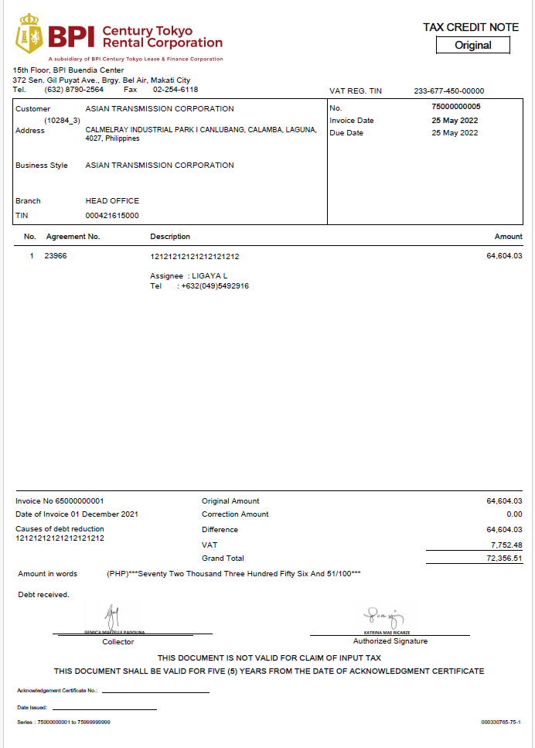
SAP Business One Target Data |  |  |  |  |  |  |  |  | LAMP Data
# | ID | Field | Description | Data Type | Length | Valid Values | Mandatory | Remarks | Exist in AR Invoice Item | Field Name | Description | Remarks
1 | DocType | DocType | Item Type | Alphanumeric | 1 | I | Yes | Fixed Value of "I" for Sale of Fixed Assets | DocType | "I" |  | Item Type/Service Type indicator Sample Item Type: Sale of Equipment Sample Service Type: Transfer Fees, Rental Services, Fleet Services, Liquidated Damages
2 | DocDate | DocDate | Posting Date | Date | 10 | YYYYMMDD | Yes | Issue Date | DocDate | SI:Billing Invoice.Issue Date OR,AR:Credit Note.Issue Date
3 | DocDueDate | DocDueDate | Due Date | Date | 10 | YYYYMMDD | Yes | Due Date | DocDueDate | SI: Billing Invoice.Due Date OR,AR: Creidt Note.Due Date
4 | TaxDate | TaxDate | Document Date | Date | 10 | YYYYMMDD | Yes | Issue Date | TaxDate | SI:Billing Invoice.Issue Date OR,AR:Credit Note.Issue Date
5 | CardCode | CardCode | Business Partner Code | Alphanumeric | 15 |  | Yes | Client Code | CardCode | Credit Note. Customer Code
6 | CardName | CardName | Business Partner Name | Alphanumeric | 100 |  | Yes | Customer | CardName | Credit Note. Customer Name
7 | Canceled | Canceled | Document Cancellation | Y/N |  |  | yes | N - Not for Cancellation Y- For Cancellation |  | ARCM Cancellation
8 | Numatcard | NumatCard | Customer Ref. No. | Alphanumeric | 100 |  | No | Invoice No. | Numatcard | SI: Billing Invoice. Invoie No. OR, AR: Credit Note.No
9 | JrnlMemo | JrnlMemo | Journal Remark | Alphanumeric | 254 |  | No | Agreement No. | JrnlMemo | Creidt Note. Contract No.
10 | Comments | Comments | Remarks | Alphanumeric | 254 |  | No | Remarks | Comments | SI: Billing Invoice. Remarks OR, AR: Credit Note.Remarks
11 | U_RefNum | U_RefNum | Customer Ref. No. | Alphanumeric | 10 |  |  | To easily recognize which Reference Number to be integrated Same field to Customer Reference Number | U_RefNum | SI: Billing Invoice. Invoie No. OR, AR: Credit Note.No
12 | U_FileName | U_FileName | File Name Convention | Alphanumeric | 100 |  |  | File Name Convention | U_FileName | SAP Company_DOC_SAPTable_ObjectCode_BaseReferenceNo_TransactionDate_Version.xml
 |  |  |  |  |  |  |  |  |  | No Status defination, is that OK?

Line Details
Table |  | RIN1
ID |  | RIN1
SAP Business One Target Data |  |  |  |  |  |  |  |  | LAMP Data
# | ID | Field | Description | Data Type | Length | Valid Values | Mandatory | Remarks | Field | Field Name | Description | Remarks
1 | U_RefNum | U_RefNum | Customer Reference No. | Alphanumeric |  |  |  | To easily recognized which Reference Number to be integrated | U_RefNum | SI: Billing Invoice. Invoie No. OR, AR: Credit Note.No
2 | U_BaseRef | U_BaseRef | Customer Reference No. | Alphanumeric |  |  |  | Base reference number of AR Invoice Will be used only if AR Invoice status is still open or not yet paid | U_BaseRef | Fixed as Billing Invoice. Invoice No. (For SI, AR, OR)
3 | U_BaseLine | U_BaseLine | Line ID | Integer |  |  |  | Base Line Number of AR Invoice Will be used only if AR Invoice status is still open or not yet paid | U_BaseLine | Fixed as 0. Because Lamp will fix Line ID as 0. ( 1 file 1 line only). "Will be used only if AR Invoice status is still open or not yet paid" SAP will do it internal.
4 | U_BaseType | U_BaseType | Object Type |  |  |  |  | Object Type of AR Invoice (13) Will be used only if AR Invoice status is still open or not yet paid | U_BaseType | *AR Invoice Type = 13
5 | LineNum | LineNum | Line ID | Integer | 10 |  | Yes | Transaction Line ID | LineNum | 0
6 | ItemCode | ItemCode | Item Code | Alphanumeric | 50 |  | Yes | Item Code | ItemCode | Contract. SUPPLIES_NO |  | Item Code
7 | Dscription | Dscription | Description | Alphanumeric | 200 |  | No | Description (up to 200 Characters only) | Dscription | Creidt Note. Description(Max 200 Characters)
8 | U_LngDscrptn | U_LngDscrptn | Long Description | Text | 256,000 |  |  | Full Text of Description | U_LngDscrptn | Credit Note. Description(More than 200 Characters).
9 | U_Period | Period | Period | Alphanumeric | 10 |  |  | Period | U_Period | Credit Note. Period
10 | Price | Price | Unit Price |  |  |  |  |  |  | Billing Invoice. Sub Total |  | Amount without VAT in Invoice file.
11 | PriceAfVAT | PriceAfVAT | Gross Price after Discount | Alphanumeric | 40 |  | Yes | Amount (Inclusive of Vat but exclusive of CWT) | PriceAfVAT | Credit Note. Grand Total
12 | VATGroup | VATGroup | VAT Group | Alphanumeric | 4 |  | Yes | Vat Group (check if existing in LAMP) | VatGroup | refer OINV_AR Invoice_Item.
13 | DiscPrcnt | Discount Percent | Discount Percent | Numeric | 19 |  | No | Discount Percent. If there is no discount percent, xml format would be <DiscPrcnt>0.00</DiscPrcnt> |  | 0.00 |  | No need for BPITC, so set as 0.
14 | Quantity | Quantity | Quantity | Numeric | 19 |  |  |  |  | Contract. SUPPLIE.Quantity(set as 1 if no value)
15 | WtLiable | Wtax Liable | Witholding Tax Liable | Alphanumeric | 3 | Y/N | Yes | Witholding Tax Liable | WtLiable | refer OINV_AR Invoice_Item.
16 | OcrCode | OcrCode | Department | Alphanumeric | 8 |  | Yes | Department | OcrCode | refer OINV_AR Invoice_Item.
17 | OcrCode2 | OcrCode2 | Teams - Client Clusters | Alphanumeric | 8 |  | Yes | Teams - Client Clusters | OcrCode2 | refer OINV_AR Invoice_Item.
18 | OcrCode3 | OcrCode3 | Product | Alphanumeric | 8 |  | Yes | Product | OcrCode3 | refer OINV_AR Invoice_Item.
19 | OcrCode4 | OcrCode4 | Equipment Type | Alphanumeric | 8 |  | Yes | Equipment Type | OcrCode4 | refer OINV_AR Invoice_Item.
20 | OcrCode5 | OcrCode5 | Industry-Based Class | Alphanumeric | 8 |  | Yes | Industry-Based Class | OcrCode5 | refer OINV_AR Invoice_Item.

Witholding Tax Details
Table |  | RIN5
ID |  | RIN5
SAP Business One Target Data |  |  |  |  |  |  |  |  | LAMP Data
# | ID | Field | Description | Data Type | Length | Valid Values | Mandatory | Remarks | Field | Field Name | Description | Remarks
1 | U_RefNum | U_RefNum | Customer Reference No. | Alphanumeric |  |  |  | To easily recognized which Reference Number to be integrated |  | SI: Billing Invoice. Invoie No. OR, AR: Credit Note.No
2 | WTCode | WTCode | WTax Code | Alphanumeric | 4 |  | Y | Withholding Tax Code |  | refer OINV_AR Invoice_Item.
3 | TaxbleAmnt | TaxbleAmnt | Price * Total qty | Numeric | 19.6 |  | Y |  |  | Credit Note. Sub Total
4 | WTAmnt | WTAmnt | TaxbleAmount * 0.01 | Numeric | 19.6 |  | Y |  |  | Credit Note. Withholding Tax(Amount)

Q1: Does it mean that need to output this template when issue all types of invoice? such as issue invoice for rental, penalty, Terminate Fee, Asset Disposition Amount, Advance Received Rental, Other Receiving and so on. | Q1: Does it mean that need to output this template when issue all types of invoice? such as issue invoice for rental, penalty, Terminate Fee, Asset Disposition Amount, Advance Received Rental, Other Receiving and so on.
Q2: Do we need to output this template for both Invoice and SOA? If yes, is there any difference of Invoice and SOA when output this template?

ORIN_ARCM_Service
Client Name |  | BPICT
Job Order |  | LAMP Integration
SAP Document |  | AR Credit Memo
LAMP Document |  | Cancellation of AR Invoice
Object |  | 14
Direction |  | Inbound
Output Type |  | JSON KEY
Filename Convention |  | N/A
Web API Link |  | api/sales/creditnotes
Method |  | Add
Header Data |  | N/A

Header
Table |  | ORIN
ID |  | ORIN
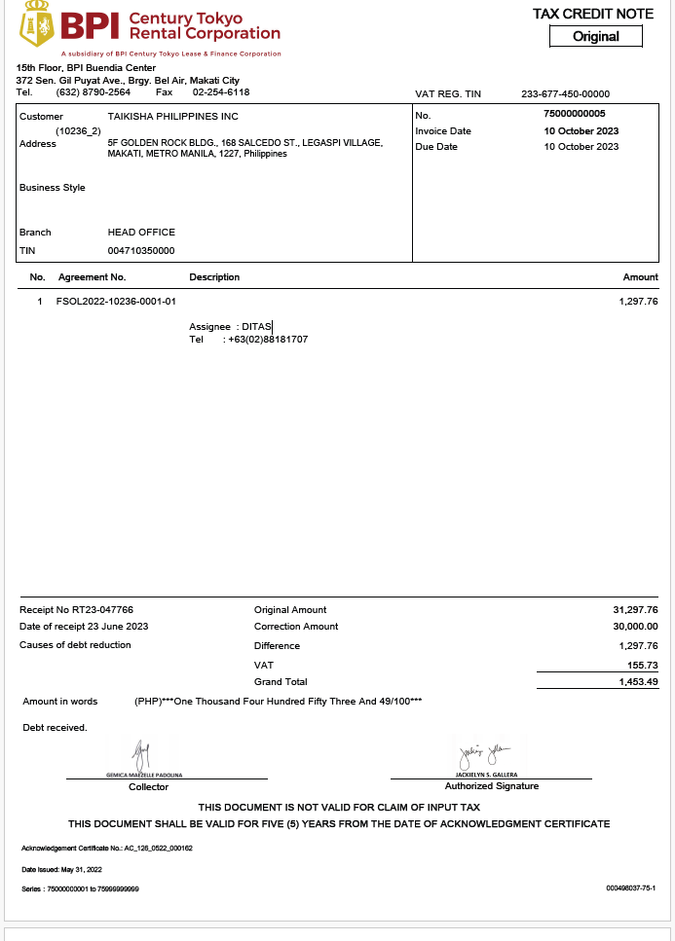
SAP Business One Target Data |  |  |  |  |  |  |  |  | LAMP Data
# | ID | Field | Description | Data Type | Length | Valid Values | Mandatory | Remarks | Field ID | Field Name | Description | Remarks
1 | DocType | DocType | Item Type | Alphanumeric | 1 | S | Yes | Fixed Value of "S" for Rental Billings |  | "S"
2 | DocDate | DocDate | Posting Date | Date | 10 | YYYYMMDD | Yes | Issue Date |  | SI:Billing Invoice.Issue Date OR,AR:Credit Note.Issue Date
3 | DocDueDate | DocDueDate | Due Date | Date | 10 | YYYYMMDD | Yes | Due Date |  | SI: Billing Invoice.Due Date OR,AR: Creidt Note.Due Date
4 | TaxDate | TaxDate | Document Date | Date | 10 | YYYYMMDD | Yes | Issue Date |  | SI:Billing Invoice.Issue Date OR,AR:Credit Note.Issue Date
7 | Canceled | Canceled | Document Cancellation | Y/N |  |  | yes | N - Not for Cancellation Y- For Cancellation |  | ARCM Cancellation
5 | CardCode | CardCode | Business Partner Code | Alphanumeric | 15 |  | Yes | Client Code |  | Credit Note. Customer Code
6 | CardName | CardName | Business Partner Name | Alphanumeric | 100 |  | Yes | Customer |  | Credit Note. Customer Name
7 | Numatcard | NumatCard | Customer Ref. No. | Alphanumeric | 100 |  | No | Invoice No. |  | SI: Billing Invoice. Invoie No. OR, AR: Credit Note.No
8 | JrnlMemo | JrnlMemo | Journal Remark | Alphanumeric | 254 |  | No | Agreement No. |  | Creidt Note. Contract No.
9 | Comments | Comments | Remarks | Alphanumeric | 254 |  | No | Remarks |  | SI: Billing Invoice. Remarks OR, AR: Credit Note.Remarks
11 | U_RefNum | U_RefNum | Customer Ref. No. | Alphanumeric | 10 |  |  | To easily recognize which Reference Number to be integrated Same field to Customer Reference Number |  | SI: Billing Invoice. Invoie No. OR, AR: Credit Note.No
12 | U_FileName | U_FileName | File Name Convention | Alphanumeric | 100 |  |  | File Name Convention |  | SAP Company_DOC_SAPTable_ObjectCode_BaseReferenceNo_TransactionDate_Version.xml
 | Default Deferred Tax at Business Partner Level

Line Details
Table |  | RIN1
ID |  | RIN1
SAP Business One Target Data |  |  |  |  |  |  |  |  | LAMP Data
# | ID | Field | Description | Data Type | Length | Valid Values | Mandatory | Remarks | Field | Field Name | Description | Remarks
1 | U_RefNum | U_RefNum | Customer Reference No. | Alphanumeric |  |  |  | To easily recognized which Reference Number to be integrated |  | SI: Billing Invoice. Invoie No. OR, AR: Credit Note.No
2 | U_BaseRef | U_BaseRef | Customer Reference No. | Alphanumeric |  |  |  | Base reference number of AR Invoice Will be used only if AR Invoice status is still open or not yet paid |  | Fixed as Billing Invoice. Invoice No. (For SI, AR, OR)
3 | U_BaseLine | U_BaseLine | Line ID | Integer |  |  |  | Base Line Number of AR Invoice Will be used only if AR Invoice status is still open or not yet paid |  | Fixed as 0. Because Lamp will fix Line ID as 0. ( 1 file 1 line only). "Will be used only if AR Invoice status is still open or not yet paid" SAP will do it internal.
4 | U_BaseType | U_BaseType | Object Type |  |  |  |  | Object Type of AR Invoice (13) Will be used only if AR Invoice status is still open or not yet paid |  | *AR Invoice Type = 13
5 | LineNum | LineNum | Line ID | Integer | 10 |  | Yes | Transaction Line ID |  | 0
6 | Dscription | Dscription | Description | Alphanumeric | 200 |  | No | Description (up to 200 Characters only) |  | Creidt Note. Description(Max 200 Characters)
7 | U_LngDscrptn | U_LngDscrptn | Long Description | Text | 256,000 |  |  | Full Text of Description |  | Credit Note. Description(More than 200 Characters).
8 | U_Period | Period | Period | Alphanumeric | 10 |  |  | Period |  | Credit Note. Period
9 | Price | Price | Unit Price | Price |  |  |  | For Confirmation |  | Billing Invoice. Sub Total
10 | PriceAfVAT | PriceAfVAT | Gross Price after Discount | Alphanumeric | 40 |  | Yes | Amount (Inclusive of Vat but exclusive of CWT) |  | Credit Note. Grand Total
11 | DiscPrcnt | Discount Percent | Discount Percent | Numeric | 19 |  | No | Discount Percent. If there is no discount percent, xml format would be <DiscPrcnt>0.00</DiscPrcnt> |  | 0.00
12 | VATGroup | VATGroup | VAT Group | Alphanumeric | 4 |  | Yes | Vat Group (check if existing in LAMP) |  | refer OINV_AR Invoice_Service.
13 | WTLiable | WTLiable | Witholding Tax Liable | Alphanumeric | 3 | Y/N | Yes | Witholding Tax Liable |  | refer OINV_AR Invoice_Service.
14 | Account | Account | G/L Account | Alphanumeric | 100 |  | Yes | GL Accounts? |  | Need to map GL Account by collection Type. Refer [GL_pattern_20221227.xlsx]
15 | OcrCode | OcrCode | Department | Alphanumeric | 8 |  | Yes | Department |  | Refer GL's logic.
16 | OcrCode2 | OcrCode2 | Teams - Client Clusters | Alphanumeric | 8 |  | Yes | Teams - Client Clusters |  | Refer GL's logic.
17 | OcrCode3 | OcrCode3 | Product | Alphanumeric | 8 |  | Yes | Product |  | Refer GL's logic.
18 | OcrCode4 | OcrCode4 | Equipment Type | Alphanumeric | 8 |  | Yes | Equipment Type |  | Refer GL's logic.
19 | OcrCode5 | OcrCode5 | Industry-Based Class | Alphanumeric | 8 |  | Yes | Industry-Based Class |  | Refer GL's logic.

Witholding Tax Details
Table |  | RIN5
ID |  | RIN5
SAP Business One Target Data |  |  |  |  |  |  |  |  | LAMP Data
# | ID | Field | Description | Data Type | Length | Valid Values | Mandatory | Remarks | Field | Field Name | Description | Remarks
1 | U_RefNum | U_RefNum | Customer Reference No. | Alphanumeric |  |  |  | To easily recognized which Reference Number to be integrated |  | SI: Billing Invoice. Invoie No. OR, AR: Credit Note.No
2 | WTCode | WTCode | WTax Code | Alphanumeric | 4 |  | Y | Withholding Tax Code |  | refer OINV_AR Invoice_Service.
3 | TaxbleAmnt | TaxbleAmnt | Price * Total qty | Numeric | 19.6 |  | Y |  |  | Credit Note. Sub Total
4 | WTAmnt | WTAmnt | TaxbleAmount * 0.01 | Numeric | 19.6 |  | Y |  |  | Credit Note. Withholding Tax(Amount)

ORCT_Incoming Payment_IN
Client Name |  | BPICT
Job Order |  | LAMP Integration
SAP Document |  | Incoming Payment
Object |  | 24
Direction |  | Inbound
Output Type |  | JSON KEY
Filename Convention |  | N/A
Web API Link |  | api/banking/payment
Method |  | Add
Header Data |  | N/A

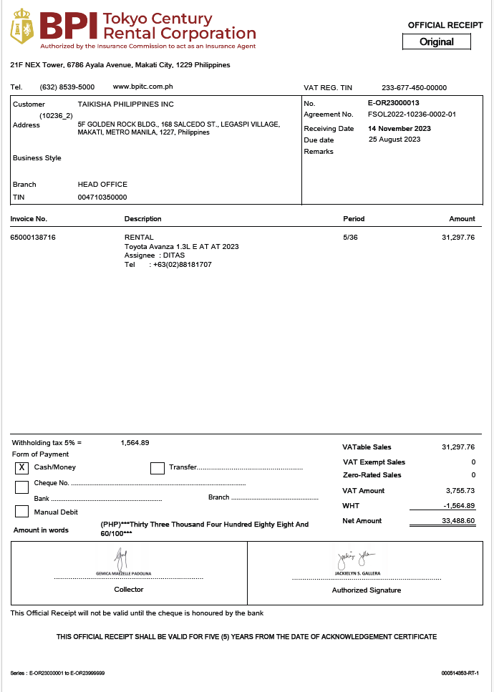
Header
Table |  | ORCT
ID |  | ORCT
SAP BUSINESS ONE Target Data |  |  |  |  |  |  |  | LAMP Data
# | Field Name | Short Description | Mandatory | Data Type | Length/Format | SAP Table.Field | Remarks | Field ID | Field Name | Description | Remarks
1 | CardCode | Customer Code | Y | Alphanumeric | 15 | ORCT.CardCode |  |  | E-OR. Customer Code
2 | CardName | Customer Name | Y | Alphanumeric | 100 |  |  |  | E-OR. Customer Name
3 | DocDate | Document Date | Y | Date (YYYYMMDD) | 8 | ORCT.DocDate |  |  | E-OR. Receiving Date
4 | CashAccnt | Cash G/L Account | Y | Numeric | 15 |  |  |  | Received Bank Account No.'s accountCode Only used when [Cash/Money] is checked.
5 | CashSum | Sum of Cash Amount | Y | Numeric | 15 |  |  |  | E-OR. Net Amount
6 | TrsfrAcct | Bank Transfer G/L Account | Y | Numeric | 15 |  |  |  | Received Bank Account No.'s accountCode Only used when [Transfer], [Manual Debit],[Cheque No.] is checked. *This item is either Mandatory with CashAccnt. *If [Cheque], need a RCT1 detail parts for Cheque information, no need set TrsfrAcct and CashAccnt.
7 | TrsfrDate | Transfer Date | Y | Date (YYYYMMDD) | 8 |  |  |  | Receiving Date. Only need for Transfer case.
8 | TrsfrRef | Transfer Reference | N | Alphanumeric | 250 |  |  |  | Blank.
9 | TrsfrSum | Sum of Bank Transfer Amount | Y | Numeric | 15 |  |  |  | Net Amount. Only need for Transfer case.
10 | Cancelled | Status of incoming payment to be cancelled | Y | Alphanumeric | 10 |  | For the new format, the name should be [Cancelled]. Default = N, for Cancellation, need set to Y. |  | N
11 | Series | Series | Y | Numeric | 10 |  | type and number of OR/AR/Receipt-SI. SI - 15 OR - 70 Receipt SI - 91 Ex. <Series>15</Series> <Series>70</Series> <Series>91</Series> |  | Fix as OR or AR or Receipt-SI
12 | U_RefNum | U_RefNum | Customer Ref. No. | Alphanumeric | 10 |  |  |  | E-OR. No
13 | U_FileName | U_FileName | File Name Convention | Alphanumeric | 100 |  |  |  | SAP Company_DOC_SAPTable_ObjectCode_BaseReferenceNo_TransactionDate_Version.xml

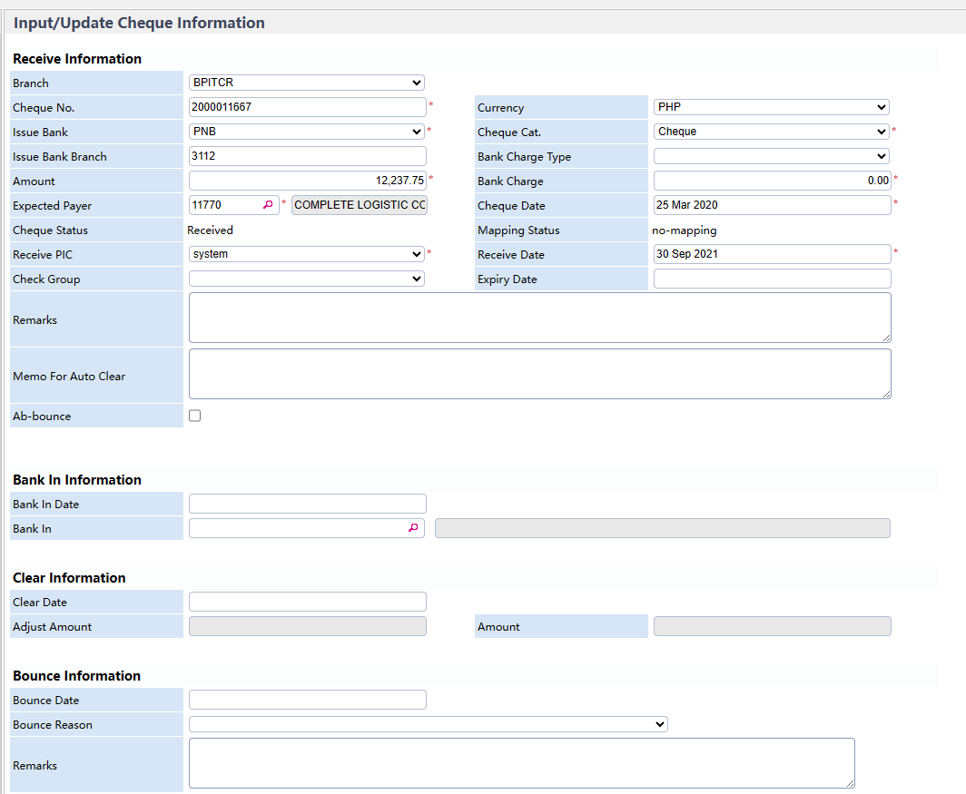
Table |  | RCT2
ID |  | RCT2
SAP BUSINESS ONE Target Data |  |  |  |  |  |  |  | LAMP Data
# | Field Name | Short Description | Mandatory | Data Type | Length/Format | SAP Table.Field | Remarks | Field ID | Field Name | Description | Remarks
1 | U_InvRefNum | U_InvRefNum | Customer Reference No. | Alphanumeric |  |  |  |  | E-OR. Invoice No.
2 | InvType | InvType | WTax Code | Alphanumeric | 4 |  | Y |  | Fixed as[13] |  |  | WTax Code
3 | SumApplied | SumApplied | Price * Total qty | Numeric | 19.6 |  | Y |  | E-OR. Net Amount |  |  | Price * Total qty

OPCH_AP Invoice_Service
Client Name |  | BPICT
Job Order |  | LAMP Integration
SAP Document |  | AP Invoice
LAMP Document |  | Maintenance Order
Object |  | 18
Direction |  | Inbound
Output Type |  | JSON KEY
Filename Convention |  | N/A
Web API Link |  | api/purchases/invoices
Method |  | Add
Header Data |  | N/A

Header
Table |  | OPCH
ID |  | OPCH
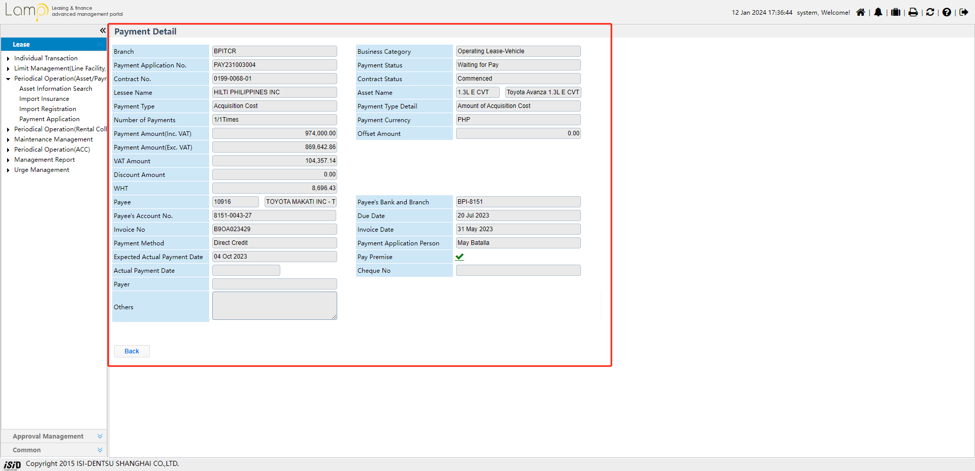
SAP Business One Target Data |  |  |  |  |  |  |  |  | LAMP Data
# | ID | Field | Description | Data Type | Length | Valid Values | Mandatory | Remarks | Field ID | Field Name | Description | Remarks
1 | DocType | DocType | Item Type | Alphanumeric | 1 | S | Yes | Fixed Value of "S" for Maintenance Orders |  | "S"
2 | DocDate | DocDate | Posting Date | Date | 10 | YYYYMMDD | Yes | Invoice Date |  | Payment Detail. Invoice Date
3 | DocDueDate | DocDueDate | Due Date | Date | 10 | YYYYMMDD | Yes | Expect Payment Date |  | Payment Detail. Due Date
4 | TaxDate | TaxDate | Document Date | Date | 10 | YYYYMMDD | Yes | Invoice Check Date |  | Payment Detail. Invoice Date
5 | CardCode | CardCode | Business Partner Code | Alphanumeric | 15 |  | Yes | Garage Code |  | Payment Detail. Payee
6 | CardName | CardName | Business Partner Name | Alphanumeric | 100 |  | Yes | Garage Name |  | Payment Detail. Payee
7 | Numatcard | NumatCard | Customer Ref. No. | Alphanumeric | 100 |  | No | Tax Invoice No. |  | Payment Detail. Invoie No.
8 | JrnlMemo | JrnlMemo | Journal Remark | Alphanumeric | 254 |  | No | Maintenance Type Memo |  | Payment Detail. Contract No.
9 | Comments | Comments | Remarks | Alphanumeric | 254 |  | No | Remarks |  | Payment Detail. Others
11 | U_RefNum | U_RefNum | Customer Ref. No. | Alphanumeric | 10 |  | Yes | To easily recognize which Reference Number to be integrated Same field to Customer Reference Number |  | Payment Detail. Invoie No. + some Lamp numbering rule. (Should be unique)
12 | U_FileName | U_FileName | File Name Convention | Alphanumeric | 100 |  | Yes | File Name Convention |  | SAP Company_DOC_SAPTable_ObjectCode_BaseReferenceNo_TransactionDate_Version.xml

Line Details
Table |  | PCH1
ID |  | PCH1
SAP Business One Target Data |  |  |  |  |  |  |  |  | LAMP Data
# | ID | Field | Description | Data Type | Length | Valid Values | Mandatory | Remarks | Field | Field Name | Description | Remarks
1 | U_RefNum | U_RefNum | Customer Reference No. | Alphanumeric |  |  |  | To easily recognize which Reference Number to be integrated Same field to Customer Reference Number |  | Payment Detail. Invoie No. + some Lamp numbering rule. (Should be unique)
2 | U_BaseRef | U_BaseRef | Customer Reference No. | Alphanumeric |  |  |  | These fields should be included to xml file. These fields are mandatory only for ARCM. Please leave it blank or null |  | Blank
3 | U_BaseLine | U_BaseLine | Line ID | Integer |  |  |  |  |  | Blank
4 | U_BaseType | U_BaseType | Object Type |  |  |  |  |  |  | Blank
5 | LineNum | LineNum | Line ID | Integer | 10 |  | Yes | Transaction Line ID |  | 0
6 | Dscription | Dscription | Description | Alphanumeric | 200 |  | No | Description (up to 200 Characters only) |  | Payment Detail. Others
7 | U_LngDscrptn | U_LngDscrptn | Long Description | Text | 256,000 |  |  | Full Text of Description |  | Payment Detail. Others(more than 200 parts)
8 | U_Period | U_Period | Period | Numeric | 10 |  |  | Period |  | Blank
9 | Price | Price | Unit Price | Price |  |  |  | For Confirmation |  | Blank.(SAP will work back by No.13)
10 | PriceAfVAT | PriceAfVAT | Gross Price after Discount | Alphanumeric | 40 |  | Yes | Amount (Inclusive of Vat but exclusive of CWT) |  | Payment Detail. Payment Amount(Inc.VAT)
10 | DiscPrcnt | Discount Percent | Discount Percent | Numeric | 19 |  | No | Discount Percent. If there is no discount percent, xml format would be <DiscPrcnt>0.00</DiscPrcnt> |  | 0.00
12 | VATGroup | VATGroup | VAT Group | Alphanumeric | 4 |  | Yes | Vat Group (check if existing in LAMP) |  | Follow GL's VAT Code setting. ISID will send current logic to Mark, let Mark consider is it OK for new intergration or need to revise.
13 | WTLiable | WTLiable | Witholding Tax Liable | Alphanumeric | 3 | Y/N | Yes | Witholding Tax Liable |  | Payment Detail. WHT > 0: "Y" Else "N"
14 | AcctCode | z | G/L Account | Alphanumeric | 100 |  | Yes | GL Accounts? |  | Refer GL's logic. Payment of asset will be: 388999-77
15 | OcrCode | OcrCode | Department | Alphanumeric | 8 |  | Yes | Department |  | Refer GL's logic.
16 | OcrCode2 | OcrCode2 | Teams - Client Clusters | Alphanumeric | 8 |  | Yes | Teams - Client Clusters |  | Refer GL's logic.
17 | OcrCode3 | OcrCode3 | Product | Alphanumeric | 8 |  | Yes | Product |  | Refer GL's logic.
18 | OcrCode4 | OcrCode4 | Equipment Type | Alphanumeric | 8 |  | Yes | Equipment Type |  | Refer GL's logic.
19 | OcrCode5 | OcrCode5 | Industry-Based Class | Alphanumeric | 8 |  | Yes | Industry-Based Class |  | Refer GL's logic.

Witholding Tax Details
Table |  | PCH5
ID |  | PCH5
SAP Business One Target Data |  |  |  |  |  |  |  |  | LAMP Data
# | ID | Field | Description | Data Type | Length | Valid Values | Mandatory | Remarks | Field | Field Name | Description | Remarks
1 | U_RefNum | U_RefNum | Customer Reference No. | Alphanumeric |  |  |  | To easily recognized which Reference Number to be integrated |  | Payment Detail. Invoie No. + some Lamp numbering rule. (Should be unique)
2 | WTCode | WTCode | WTax Code | Alphanumeric | 4 |  | Y | Withholding Tax Code |  | Follow current GL's U_WtaxCode setting.
3 | TaxbleAmnt | TaxbleAmnt | Price * Total qty | Numeric | 19.6 |  | Y |  |  | Payment Detail. Payment Amount(Exc.VAT)
4 | WTAmnt | WTAmnt | TaxbleAmount * 0.01 | Numeric | 19.6 |  | Y |  |  | Payment Detail. WHT
** 1 file per terminal since there should be 1 header per file only

OCRD_Business Partners
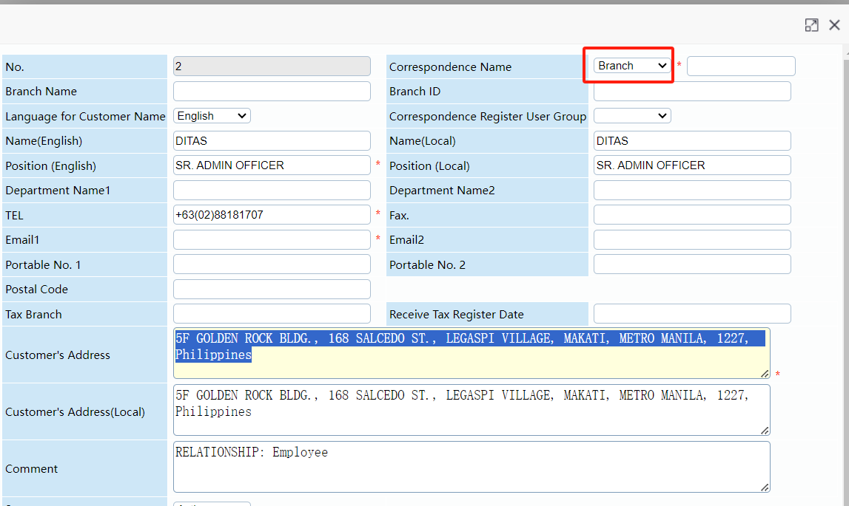
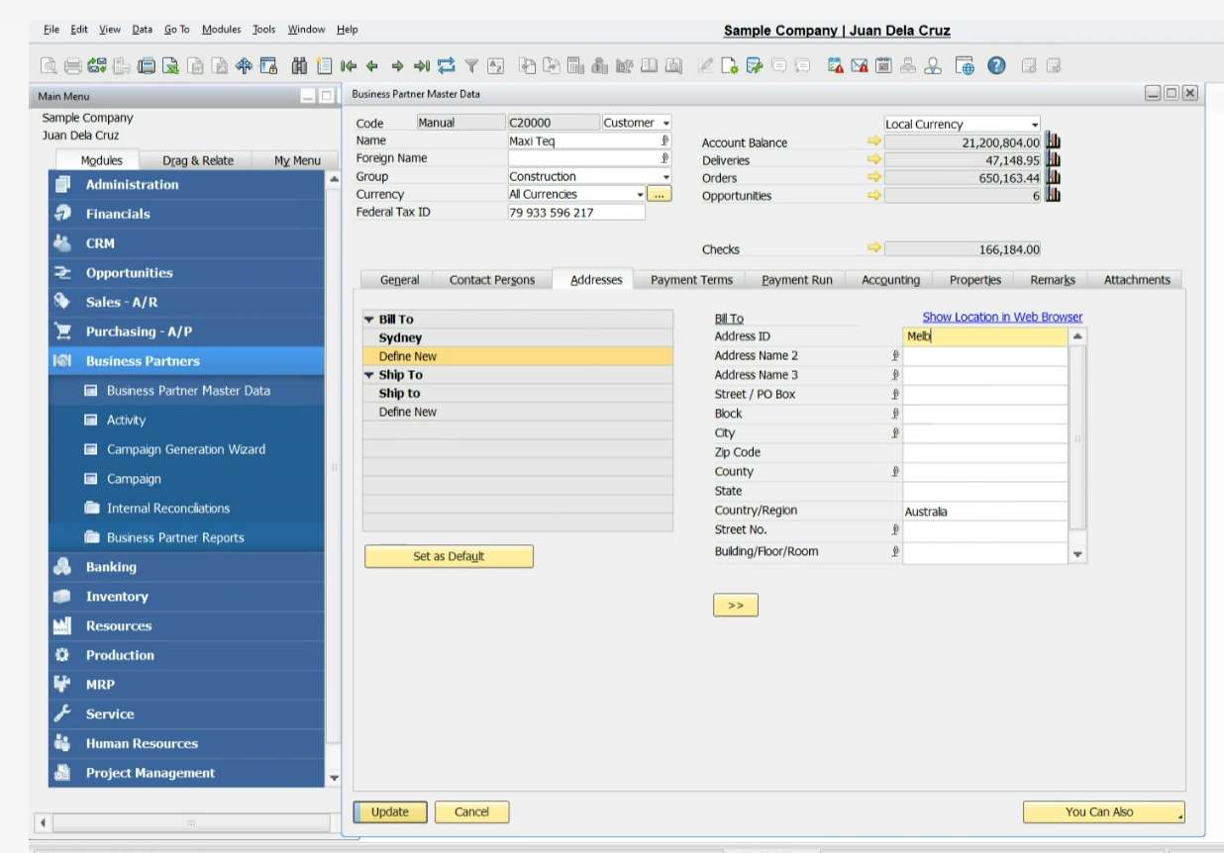
Client Name |  | BPICT
Job Order |  | LAMP Integration
SAP Document |  | Business Partner Master Data
LAMP Document |  | Customer Master
Object |  | 2
Direction |  | Inbound
Output Type |  | JSON KEY
Filename Convention |  | M/A
Web API Link |  | api/businesspartners
Method |  | GET
Header Data |  | N/A
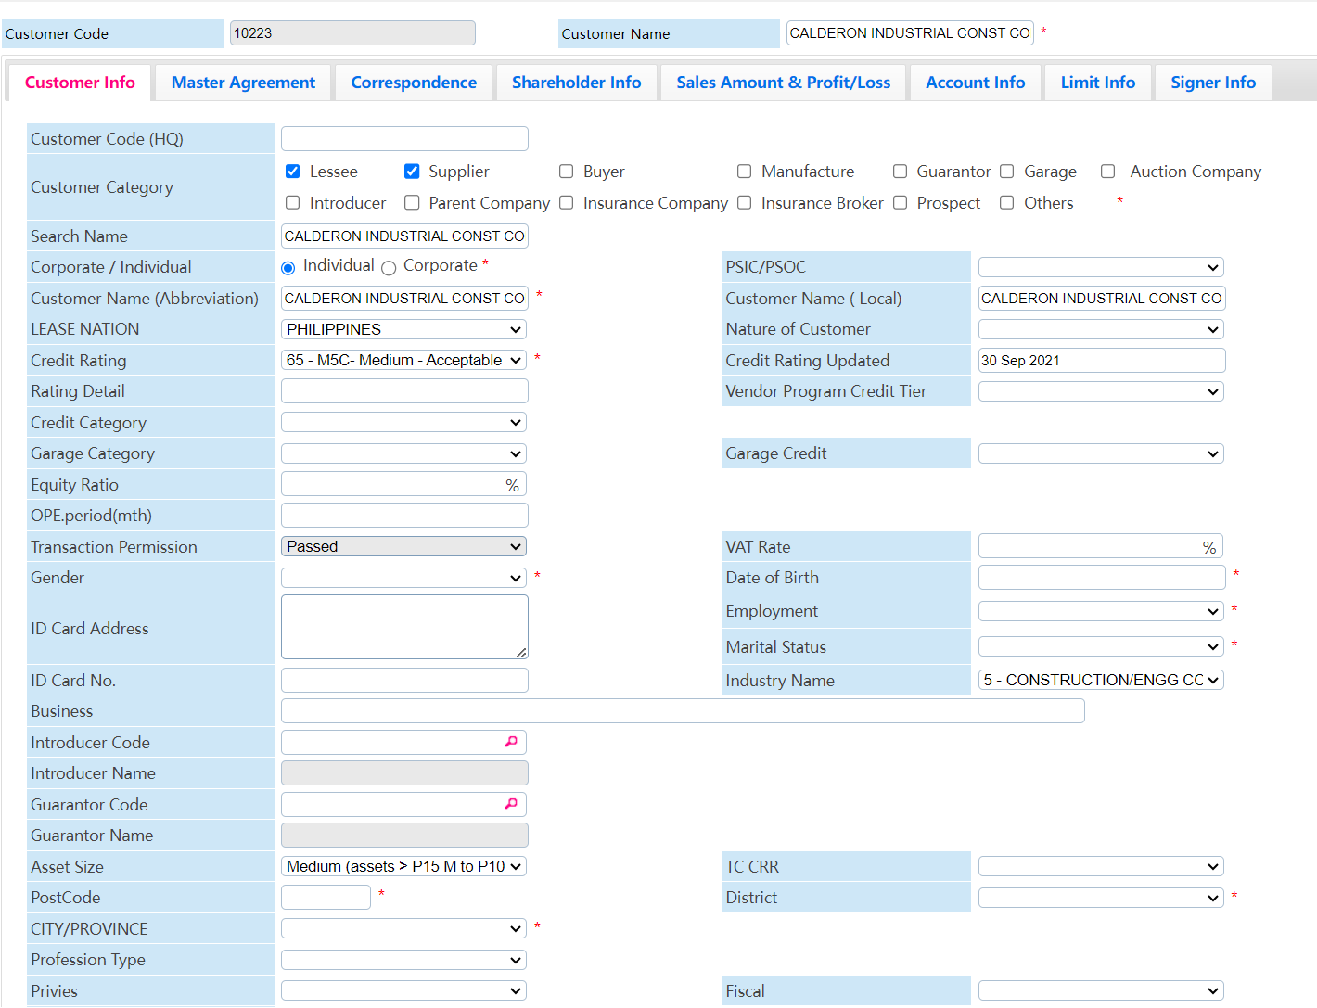
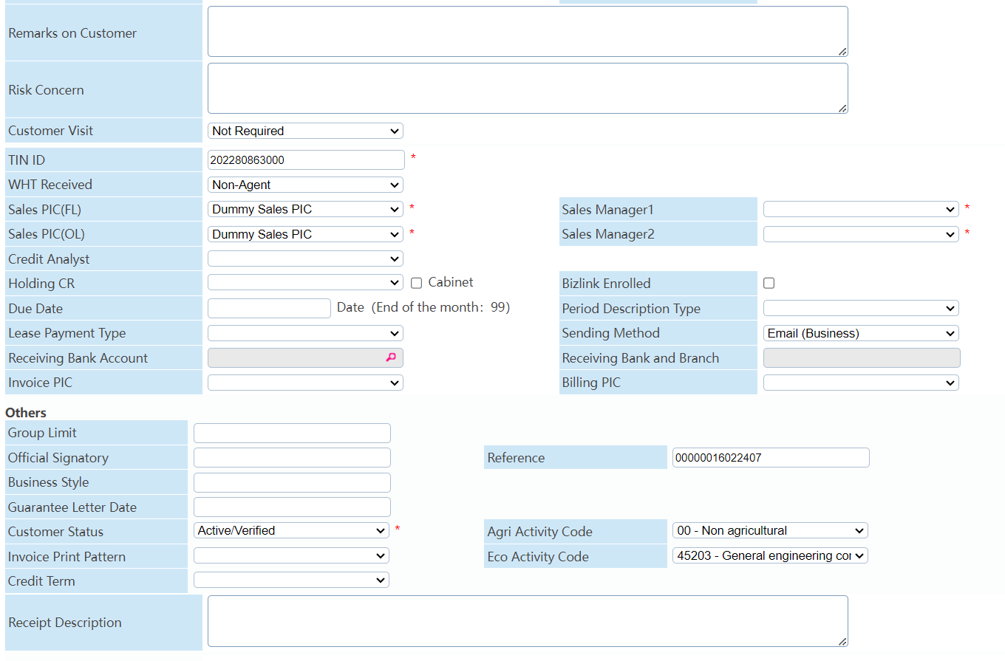
Individual
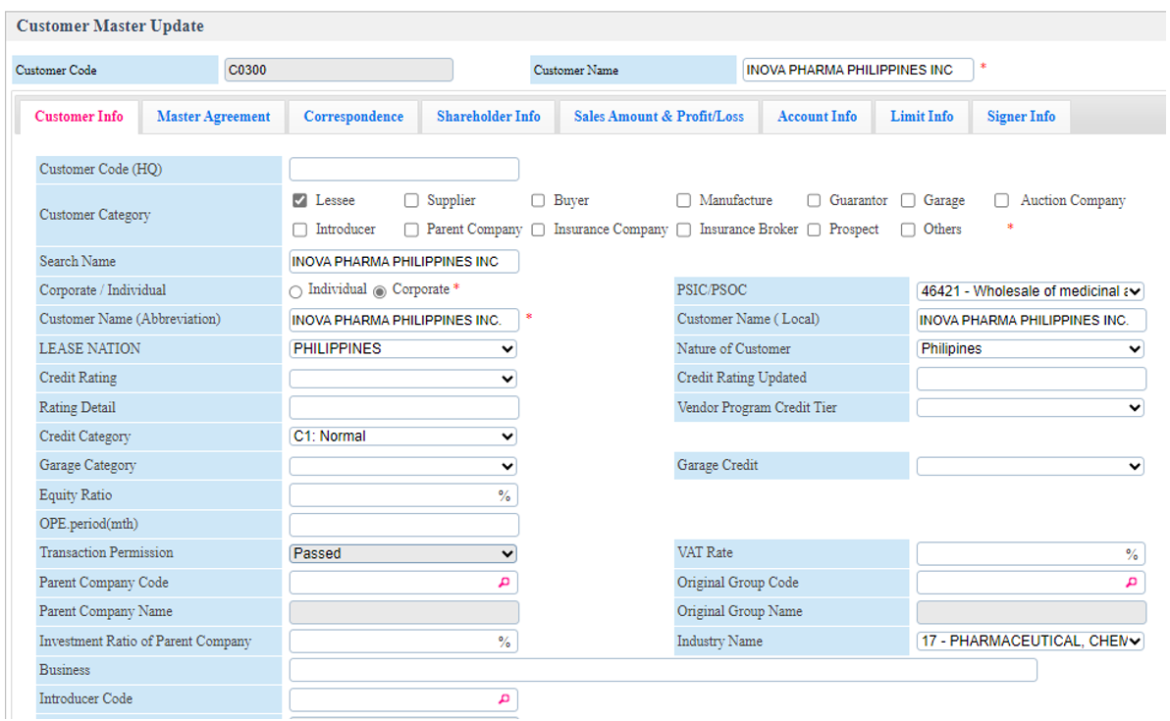
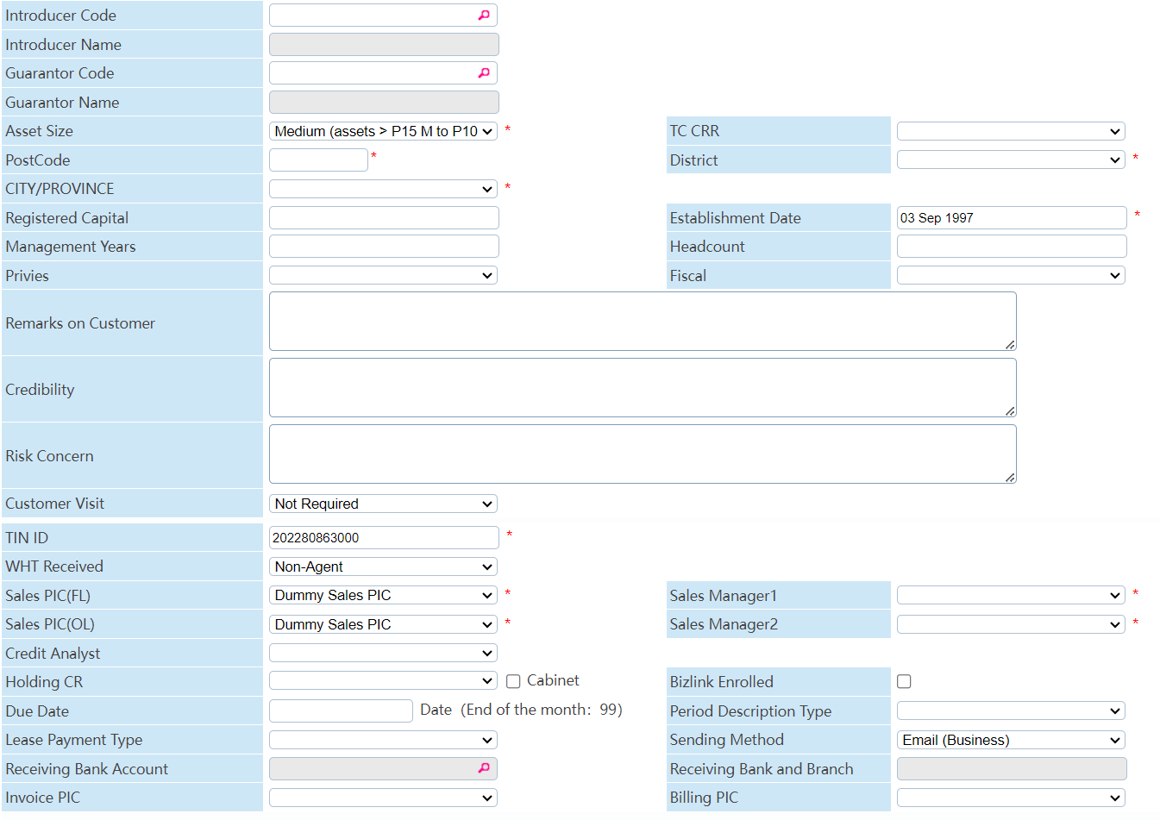
Corporate
Header
Table |  | OCRD
ID |  | OCRD
SAP Business One Target Data |  |  |  |  |  |  |  |  | LAMP Data
# | ID | Field | Description | Data Type | Length | Valid Values | Mandatory | Remarks | Field ID | Field Name | Description | Remarks
1 | CardCode | CardCode | CardCode | Alphanumeric | 10 |  | Yes |  |  | Customer Code
2 | CardName | CardName | CardName | Alphanumeric | 100 |  | Yes |  |  | Customer Name
3 | CardFName | CardFName | CardForeignName | Alphanumeric | 100 |  | Yes |  |  | Customer Name (Abbreviation)
4 | CardName | CardName | CardName | Alphanumeric | 100 |  | No |  |  | Customer Name (Local)
5 | OCRD.CardType | OCRD.CardType |  |  |  |  |  |  |  | For clarification
6 | CstmrNmSrch | U_CstmrNmSrch | Search Name | Alphanumeric | 100 |  | No |  |  | Search Name
7 | CstmrCtgry | U_CstmrCtgry | Customer Category | Alphanumeric | 100 |  | Yes | Customer /Supplier (For Clarification) |  | Customer Category |  | intergrate name to sap
8 | CstmrCdHQ | U_CstmrCdHQ | Customer Code (HQ) | Alphanumeric | 15 |  | No |  |  | Customer Code (HQ)
9 | GroupCode | OCRD.GroupCode | Corporate / Individual | Alphanumeric | 20 |  | Yes |  |  | Corporate / Individual |  | intergrate name to sap
10 | U_CutmrNtr | U_CutmrNtr | Nature of Customer | Alphanumeric | 20 |  |  |  |  | Nature of Customer |  | Japanese, Philippines, Others, etc.
11 | OCRD.validFor | OCRD.validFor | BP Status | Alphanumeric | 100 | Y- Active else N- Inactive | No |  |  | Customer Status |  | intergrate name to sap
12 | U_PsicPsoc | U_PsicPsoc | U_PsicPsoc | Alphanumeric |  |  | No |  |  | PSIC/PSOC |  | intergrate code to sap
13 | U_CrdtRtng | U_CrdtRtng | PSIC/PSOC | Alphanumeric |  |  | No | Clarify valid values for UDF Decimal - Structure - Price , type - units and totals, |  | Credit Rating |  | intergrate code to sap
14 | U_CrdtRtUpdtd | U_CrdtRtUpdtd | Credit Rating | YYYYMMDD | 8 | YYYYMMDD | No |  |  | Credit Rating Updated
15 | U_CrdtRtDtl | U_CrdtRtDtl | Credit Rating Updated | Alphanumeric | 10 |  | No |  |  | Rating Detail
16 | U_CrdtCtgry | U_CrdtCtgry | Rating Detail | Alphanumeric | 100 |  | No |  |  | Credit Category
17 | VndrPrgrm | U_VndrPrgrm | Vendor Program Credit Tier | Alphanumeric | 10 |  | No |  |  | Vendor Program Credit Tier |  | A+, A, B+, B, etc.
18 | GrgCtgry | U_GrgCtgry | Garage Category | Alphanumeric | 10 |  | No |  |  | Garage Category |  | intergrate name to sap
19 | EqtyRt | U_EqtyRt | Equity Ratio | Alphanumeric | 10 |  | No |  |  | Equity Ratio
20 | OpePrd | U_OpePrd | OPE.period(mth) | Alphanumeric | 10 |  | No |  |  | OPE.period(mth)
21 | ECVatGroup | OCRD.ECVatGroup | U_VatRate | Alphanumeric | 10 | Tax Group'!A1 | No |  |  | VAT Rate
22 | ExpsrLmt | U_ExpsrLmt | U_ExpsrLmt | Numeric | 10 |  | No |  |  | Exposure Limit Group limit?
23 | AddID | OCRD.AddID | OCRD.AddID | Alphanumeric | 10 |  | No |  |  | ID Card No.
24 | IDCrdAdd | U_IDCrdAdd |  | Alphanumeric | 10 |  | No |  |  | ID Card Address
25 | MrtlStatus | U_MrtlStatus |  | Alphanumeric | 10 |  | No |  |  | Marital Status |  | Married, Not Married
26 | Emplymnt | U_Emplymnt |  | Alphanumeric | 10 |  | No |  |  | Employment |  | Employed, Retired, etc.
27 | PrtsCmpyCd | U_PrtsCmpyCd | U_PrtsCmpyCd | Alphanumeric | 10 |  | No |  |  | Parents Company Code
28 | PrtsCmpyNm | U_PrtsCmpyNm | U_PrtsCmpyNm | Alphanumeric | 100 |  | No |  |  | Parents Company Name
29 | OrgnlGrpCd | U_OrgnlGrpCd |  |  |  |  | No |  |  | Original Group Code
30 | OrgnlGrpNm | U_OrgnlGrpNm |  |  |  |  | No |  |  | Original Group Name
31 | InvRtio | U_InvRtio |  |  | 10 |  | No |  |  | Investment Ratio of Parent Company
32 | IndustryC | OCRD.IndustryC | OCRD.IndustryC | Alphanumeric | 16 |  | No |  |  | Industry Name |  | intergrate code-name to sap
33 | CmpPrivate | OCRD.CmpPrivate | OCRD.CmpPrivate | Alphanumeric | 1 |  | No |  |  | Business? Business Style? |  | Lamp have Business and Business Style items. Both are memo. Need to expend the length to 100, and confirm if need add another item to keep both.
34 | IntrdcrCd | U_IntrdcrCd | Introducer Code |  | 10 |  |  |  |  | Introducer Code
35 | IntrdcrNm | U_IntrdcrNm | Introducer Name |  | 50 |  |  |  |  | Introducer Name
36 | GrntrCd | U_GrntrCd | Guarantor Code |  | 10 |  |  |  |  | Guarantor Code
37 | GrntrNm | U_GrntrNm | Guarantor Name |  | 50 |  |  |  |  | Guarantor Name
38 | AssetSize | U_AssetSize | Asset Size |  | 20 |  |  |  |  | Asset Size |  | Individual, Micro, Small, Medium, Large.
39 | TcCRR | U_TcCRR | TC CRR |  | 2 |  |  |  |  | TC CRR |  | 1-10
40 | PostCode | U_PostCode | PostCode |  | 10 |  |  |  |  | PostCode
41 | Address2 | OCRD.Address2 | District |  | 20 |  |  |  |  | District
42 | CRD1 TABLE |  |  |  | 20 |  |  |  |  | CITY/PROVINCE
43 | PrfssnType | U_PrfssnType | Profession Type |  | 20 |  |  |  |  | Profession Type |  | Director/Executive, manager, etc.
44 | Privies | U_Privies | Privies |  | 5 |  |  |  |  | Privies |  | Yes, No.
45 | FsclMnth | U_FsclMnth | Fiscal Month |  | 20 | Description January - December Code 1-12 |  |  |  | Fiscal Month |  | January - December
46 | RgstrdCptl | U_RgstrdCptl | Registered Capital |  | 20 |  |  | Clarify valid values for UDF Decimal - Structure - Price , type - units and totals, |  | Registered Capital
47 | EsblsmntDt | U_EsblsmntDt | Establishment Date |  | 8 | YYYYMMDD | No |  |  | Establishment Date
48 | MngmntYrs | U_MngmntYrs | Management Years |  | 20 |  |  |  |  | Management Years
49 | HeadCount | U_HeadCount | Headcount |  | 20 |  |  |  |  | Headcount
50 | Credibility | U_Credibility | Credibility |  | 200 |  |  |  |  | Credibility
51 | RiskConcern | U_RiskConcern | Risk Concern |  | 200 |  |  |  |  | Risk Concern
52 | ValidComm | OCRD_ValidComm | OCRD_ValidComm | Alphanumeric | 200 |  | No |  |  | Remarks on Customer |  | Length is not enough, can expand to 100 or more?
53 | CstmerVst | U_CstmerVst | Customer Visit |  | 20 |  |  |  |  | Customer Visit |  | Not Required, Visited, etc.
55 | LicTradNum | OCRD.LicTradNum | TIN ID | Numeric | 32 |  | No |  |  | TIN ID
56 | WhtRcvd | U_WhtRcvd | WHT Received | Alphanumeric | 100 |  | No |  |  | WHT Received |  | Agent, Non-Agent
57 | SlsPicFl | U_SlsPicFl | Sales PIC(FL) | Alphanumeric | 100 |  | No |  |  | Sales PIC(FL) |  | intergrate name to SAP.
58 | SlsPicOI | U_SlsPicOI | Sales PIC(OL) | Alphanumeric | 100 |  | No |  |  | Sales PIC(OL) |  | intergrate name to SAP.
59 | SlsMngr1 | U_SlsMngr1 | Sales Manager1 | Alphanumeric | 100 |  | No |  |  | Sales Manager1 |  | intergrate name to SAP.
60 | SlsMngr2 | U_SlsMngr2 | Sales Manager2 | Alphanumeric | 100 |  | No |  |  | Sales Manager2 |  | intergrate name to SAP.
61 | CrdtAnlyst | U_CrdtAnlyst | Credit Analayst | Alphanumeric | 100 |  | No |  |  | Credit Analayst |  | intergrate name to SAP.
62 | HoldingCR | U_HoldingCR | Holding CR |  | 100 |  |  |  |  | Holding CR |  | intergrate name to SAP.
63 | InCbnt | U_InCbnt | In Cabinet |  | 5 |  |  |  |  | In Cabinet |  | Yes, No
64 | BzLink | U_BzLink | Bizlink Enrolled |  | 5 |  |  |  |  | Bizlink Enrolled |  | Yes, No
65 | DueDate | U_DueDate | Due Date | Numeric | 2 |  | No |  |  | Due Date |  | 1-31, 99
66 | InvDvncDt | U_InvDvncDt | Invoice Send Advance Days | Numeric | 2 |  | No |  |  | Invoice Send Advance Days |  | No this item.
67 | InvoicePIC | U_InvoicePIC | Invoice PIC | Alphanumeric | 50 |  | No |  |  | Invoice PIC |  | User Name
68 | IBllngPic | U_IBllngPic | Billing PIC |  | 100 |  | No |  |  | Billing PIC |  | User Name
69 | GroupNum | OCRD.GroupNum | OCRD.GroupNum | Alphanumeric | 20 |  | No |  |  | Lease Payment Type |  | intergrate name to SAP. Cheque, Cash, etc.
70 | SndngMthd | U_SndngMthd | Sending Mehtod | Alphanumeric | 6 |  | No |  |  | Sending Mehtod |  | intergrate name to SAP. Email, Phone, etc.
71 | DflAccount | OCRD.DflAccount | OCRD.DflAccount | Numeric | 50 |  | No |  |  | Receiving Bank Account
72 | DflBrnch | OCRD.DflBrnch | OCRD.DflBrnch | Alphanumeric | 50 |  | No |  |  | Receiving Bank and Branch
73 | DescriptionPtn | U_DescriptionPtn | Period Description Type | Alphanumeric | 100 |  | No |  |  | Period Description Type
74 | ReceiptDsp | U_ReceiptDsp | Receipt Description | Alphanumeric | 200 |  | No |  |  | Receipt Description
75 | U_BranchID | U_BranchID | Branch ID | Alphanumeric | 50 |  | Yes |  |  | Branch ID
76 | U_BranchName | U_BranchName | Branch Name | Alphanumeric | 100 |  | Yes |  |  | Branch Name
77 | OCRD.Phone1 | OCRD.Phone1 | Tel. | Numeric | 20 |  | Yes |  |  | Tel.
78 | OCRD.Fax | OCRD.Fax | Fax. | Numeric | 20 |  | Yes |  |  | Fax.
79 | OCRD.Email | OCRD.Email | Email 1 | Alphanumeric | 100 |  | Yes |  |  | Email 1
80 | OCRD.Phone2 | OCRD.Phone2 | Portable No. 1 | Numeric | 20 |  | Yes |  |  | Portable No. 1
Separate Lamp's Correspondence to Contact Person or Address by Corresondence Type:
Contact Person: intergrate to Business Partner Contact Person.
HeadOffice, Branch,Location of Property: intergrate to Business Partner Address.
Others: No need intergate to SAP.
81 | OffclCtgry | U_OffclCtgry | Official Signatory |  | 20 |  |  |  |  | Official Signatory
82 | ValidComm | OCRD.ValidComm | Reference |  | 20 |  |  |  |  | Reference
83 | GrntLttrDt | U_GrntLttrDt | Guarantee Letter Date |  | 8 | YYYYMMDD |  |  |  | Guarantee Letter Date
84 | AgrAcvtyCd | U_AgrAcvtyCd | Agri Activity Code |  | 50 |  |  |  |  | Agri Activity Code |  | intergrate code-name to SAP.
85 | EcAcvtyCd | U_EcAcvtyCd | Eco Activity Code |  | 50 |  |  |  |  | Eco Activity Code |  | intergrate code-name to SAP.
86 | InvPrntPtrn | U_InvPrntPtrn | Invoice Print Pattern |  | 20 |  |  |  |  | Invoice Print Pattern |  | intergrate name to SAP.
87 | CreditTerm | U_CreditTerm | Credit Term | Alphanumeric | 20 |  | Yes |  |  | Credit Term |  | intergrate code-name to SAP.

Business Partner Contact Person
Table |  | OCPR
ID |  | OCPR
SAP Business One Target Data |  |  |  |  |  |  |  |  | LAMP Data
# | ID | Field | Description | Data Type | Length | Valid Values | Mandatory | Remarks | Field | Field Name | Description | Remarks
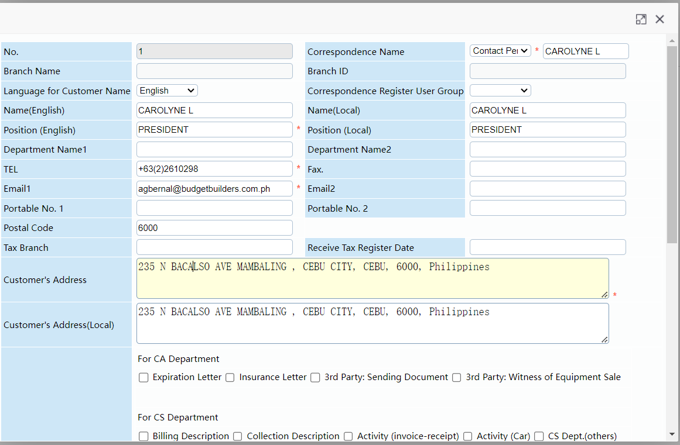
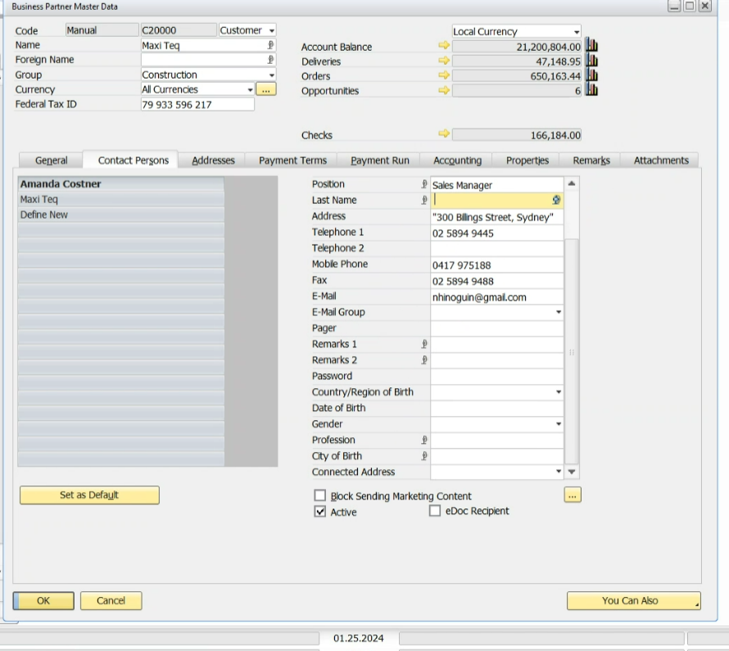
1 | OCPR.Name | OCPR.Name | CorrespondenceName | Alphanumeric | 50 |  | yes |  |  | CorrespondenceName |  | Pass the inputting parts(not Type)
2 | OCPR.FirstName | OCPR.FirstName | Name(English) | Alphanumeric | 50 |  | no |  |  | Name(English)
3 | U_NameLocal | U_NameLocal | Name(Local) | Alphanumeric | 50 |  | no |  |  | Name(Local)
4 | OCPR.Position | OCPR.Position | Position(English) | Alphanumeric | 100 |  | yes |  |  | Position(English)
5 | OCPR.Title | OCPR.Title | Position(Local) | Alphanumeric | 100 |  | yes |  |  | Position(Local)
5 | REPEATED LINE |  |  |  |  |  |  |  |  | Position(Local)
6 | OCPR.Profession | OCPR.Profession | Department |  | 100 |  | no |  |  | Department |  | Department Name1 + Department Name2
7 | OCRD.Phone1 | OCPR.Phone1 | TEL | Numeric | 20 |  | yes |  |  | TEL
8 | OCPR.Fax | OCPR.Fax | Fax. | Numeric | 20 |  | yes |  |  | Fax.
9 | OCPR.Notes1 | OCPR.Notes2 | Protable No.1 |  | 20 |  | No |  |  | Protable No.1
10 | OCPR.Email | OCPR.Email | Email1 | Alphanumeric | 100 |  | No |  |  | Email1
11 | OCPR.Notes2 | OCPR.Notes3 | Protable No.2 |  | 20 |  | No |  |  | Protable No.2
12 | U_Email2 | U_Email3 | Email2 |  | 100 |  | No |  |  | Email2
13 | OCPR.Gender | OCPR.Gender | Gender | Alphanumeric | 10 |  | No |  |  | Gender |  | These 2 fileds are in OCRD so we moved here in OCPR. Do we have to create UDF in OCRD or it is okay move here in OCPR?
14 | OCPR.Birthdate | OCPR.Birthdate | Date of Birth | YYYYMMDD | 8 |  | No |  |  | Date of Birth

Business Partner Address
Table |  | CRD1
ID |  | CRD1
SAP Business One Target Data |  |  |  |  |  |  |  |  | LAMP Data
# | ID | Field | Description | Data Type | Length | Valid Values | Mandatory | Remarks | Field | Field Name | Description | Remarks
1 | CRD1.Address | CRD1.Address | CorrespondenceName |  | 50 |  | yes |  |  | CorrespondenceName |  | Pass Type + inputting parts both
2 | U_BranchID | U_BranchID | Branch ID | Alphanumeric | 50 |  | No |  |  | Branch ID
3 | U_BranchName | U_BranchName | Branch Name | Alphanumeric | 100 |  | No |  |  | Branch Name
4 | CRD1.Country | CRD1.Country |  | Alphanumeric | 100 |  | no |  |  |  |  | Lamp will pass Blank. - Are we gonna delete these items?
5 | CRD1.ZipCode | CRD1.ZipCode |  | Numeric | 20 |  | no
6 | CRD1.City | CRD1.City |  | Alphanumeric | 100 |  | no
7 | CRD1.State | CRD1.State |  | Alphanumeric | 3 |  | no
8 | CRD1.Street | CRD1.Street | Customer's Address | Alphanumeric | 100 |  | yes |  |  | Customer's Address |  | Pass first 100 characters only
9 | CRD1.Block | CRD1.Block | Customer's Address | Alphanumeric | 100 |  | no |  |  | Customer's Address |  | Pass more than 100 characters part.
10 | CRD1.City | CRD1.City | Customer's Address(Local) | Alphanumeric | 100 |  | no |  |  | Customer's Address(Local) |  | Pass more than 100 characters part.
11 | U_LngAddrs1 | U_LngAddrs1 | Long Address 1 | Alphanumeric | 254 |  |  |  |  | Long Address 1 |  | To cover more than 100 character address
12 | U_LngAddrs2 | U_LngAddrs2 | Long Address 2 | Alphanumeric | 254 |  |  |  |  | Long Address 2 |  | To cover more than 100 character address
10 | CRD1.Country | CRD1.Country | CRD1.Country | Alphanumeric | 20 |  |  |  |  | LEASE NATION |  | These filed are in OCRD so we moved here in CRD1. Do we have to create UDF in OCRD or it is okay move here in CRD1?
 | Pay to - Vendor
 | Ship to - Customer

FA Template
Asset Master Data and Capitalization Data Dictionary
LAMP System to SAP Business One
After confirmed, SAP will handel Add/Update mode by LAMPAssetId, no need any other items.
Lamp would like to follow the Update mode to send latest information to SAP by a schedula. (every month, end of the month.)
Lamp will send all FA assets to SAP every month.
Notes:
 | 1. CSV File Type, Comma Delimeted
 | 2. File Name Convention: BPICTR（BPICTR or BPICRL）_Anita(BPICT user name)_GL（GL or FA）_20210331（YYYYMMDDHHmmsssss）_01（running_number）.csv
 | 3. 1 CSV file = Multiple Asset Master Data & Capitalization
 | 4. Upon creation of Asset Master Data in SAP, program will also auto create correspondin Capitalization
 | 5. Always tag Asset Master Data as Purchase Item. If there's a need for asset master to be tagged as Sales Item, SAP user will manually do it on the SAP side only.
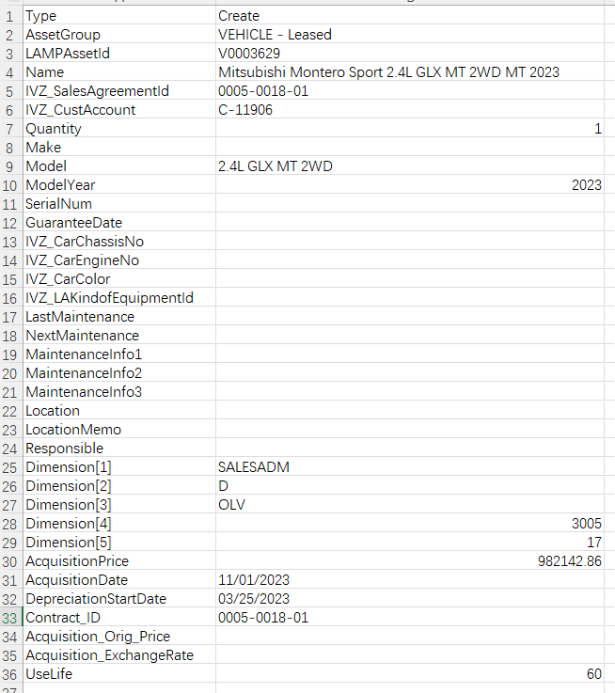
FA Template as Now.
 | 6. Lamp system will auto extract data for any Add and Update on Asset Master Data and will be integrated Realtime
 | 7. B1 Integration to default OITM.AssetItem = Y (Fixed Asset Indicator)
 | 8. Auto fillup ACQ1.ItemCode based on the newly created OITM.ItemCode

LAMP CSV File |  |  | SAP Business One Mapping
# | Field ID | Field Description | Table ID | Field ID | Field Description | Mandatory | Data Type | Length | Link Table.Field | Valid Values | Remarks
1 | Type | Status | OITM | AsstStatus | Asset Status | Y | Alphanumeric |  |  | A:Create - create new Fixed Asset Master Data in SAP b1 I:Cancelled - update Fixed Asset Master Data to Inactive status in SAP B1 | If value is 'Create' set OITM.AsstStatus = A If value is 'Cancelled' set OITM.AsstStatus = I
2 | AssetGroup | Asset Class | OITM | AssetClass | Asset Class | Y | Alphanumeric | 20 | OACS.Code | Same as Now.
3 | LAMPAssetId | LAMP Asset ID | OITM | ItemCode | Asset Code | Y | Alphanumeric | 50 |  | LAMPAssetId
4 | Name | Description | OITM | ItemName | Item Description | Y | Alphanumeric | 100 |  | Name
5 | IVZ_SalesAgreementId | Sales Agreement No. | OITM | U_SalesAg | Sales Agreement No. | Y | Alphanumeric | 30 |  | Contract No.
6 | IVZ_CustAccount | Asset Cust Account No. | OITM | U_AssetAcct | Asset Cust Account No. |  | Alphanumeric | 20 |  | 1. on-leasing:Current Contract's Lessee Code 2. Terminated: previous contract's lessee code.
7 | Quantity | Capitalization Qty | ACQ1 | Quantity | Capitalization Qty | Y | Numeric | 19.6 |  | Quantity
8 | Make | Asset Maker | OITM | U_Maker | Asset Maker |  | Alphanumeric | 100 |  | Make
9 | Model | Asset Model | OITM | U_Model | Asset Model |  | Alphanumeric | 100 |  | Model
10 | ModelYear | Asset Model Year | OITM | U_ModYear | Asset Model Year |  | Alphanumeric | 10 |  | ModelYear
11 | SerialNum | Asset Serial Num | OITM | U_Serial | Asset Serial Num |  | Alphanumeric | 30 |  | SerialNum
12 | GuaranteeDate | Asset Guaranteed Date | OITM | U_GDate | Asset Guaranteed Date |  | Alphanumeric | 10 |  | GuaranteeDate
13 | IVZ_CarChassisNo | Asset IVZ Car Chasis No | OITM | U_Chasis | Asset IVZ Car Chasis No |  | Alphanumeric | 254 |  | IVZ_CarChassisNo
14 | IVZ_CarEngineNo | Asset IVZ Car Engine No | OITM | U_Engine | Asset IVZ Car Engine No |  | Alphanumeric | 254 |  | IVZ_CarIngineNo
15 | IVZ_CarColor | Asset IVZ Car Color | OITM | U_Color | Asset IVZ Car Color |  | Alphanumeric | 20 |  | IVZ_CarColor
16 | IVZ_LAKindofEquipmentId | Asset IVZ Equipment ID | OITM | U_EquipID | Asset IVZ Equipment ID |  | Alphanumeric | 10 |  | IVZ_LAKindofEquipmentId
17 | LastMaintenance | Asset Last MA Date | OITM | U_LMADate | Asset Last MA Date |  | Alphanumeric | 10 |  | LastMaintenance
18 | NextMaintenance | Asset Next MA Date | OITM | U_NMADate | Asset Next MA Date |  | Alphanumeric | 10 |  | NextMaintenance
19 | MaintenanceInfo1 | Asset Info 1 | OITM | U_AssInfo1 | Asset Info 1 |  | Alphanumeric | 254 |  | MaintenanceInfo1
20 | MaintenanceInfo2 | Asset Info 2 | OITM | U_AssInfo2 | Asset Info 2 |  | Alphanumeric | 254 |  | MaintenanceInfo2
21 | MaintenanceInfo3 | Asset Info 3 | OITM | U_AssInfo3 | Asset Info 3 |  | Alphanumeric | 254 |  | MaintenanceInfo3
22 | Location | Asset Location | OITM | U_AssLoc | Asset Location |  | Alphanumeric | 10 |  | Location
23 | LocationMemo | Asset Location Memo | OITM | U_AssLocM | Asset Location Memo |  | Alphanumeric | 254 |  | LocationMemo
24 | Responsible | Asset Responsible | OITM | U_AssRes | Asset Responsible |  | Alphanumeric | 20 |  | Responsible
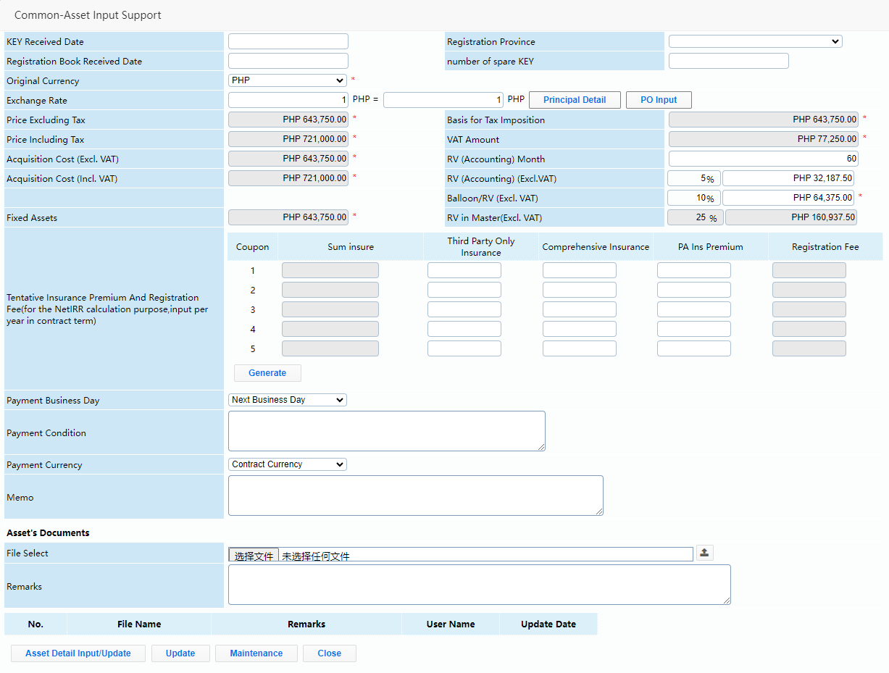
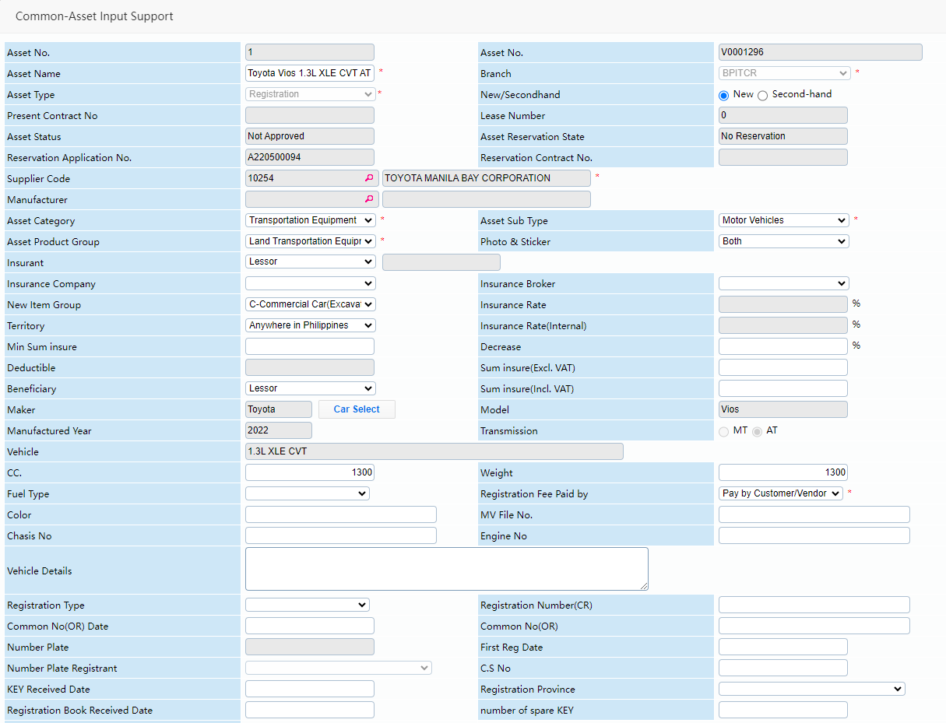
Items on Lamp
32 | AcquisitionPrice | AcquisitionPrice | ACQ1 | LineTotal | Total (LC) | Y | Numeric | 19.6 |  | AcquisitionPrice | Lamp system will send the Price already converted to Local Currency (PHP) when integratting the data to SAP
33 | AcquisitionDate | AcquisitionDate | OACQ | PostDate DocDate AssetDate | Posting Date Document Date Asset Value Date | Y | Date MM/DD/YYYY |  |  | Strat Date of Contract.
34 | DepreciationStartDate | Useful Life Start Date | ITM7 | DprStart | Depreciation Start Date | Y | Date MM/DD/YYYY |  |  | DepreciationStartDate Mark confirmed: Not use Contract's commence date, but next month's 1st day of contract commence.
35 | Contract_ID | Contract ID | OITM | U_Contract | Contract ID |  | Alphanumeric | 30 |  | Need
38 | Useful_Life | Useful Life | ITM7 | UsefulLife | Useful Life |  | Integer | 11 |  | Fix as 60 months.

